Scan Wire
PT. SUMI RUBBER INDONESIA
WP | PROSEDUR SCAN BEAD WIRE TAPE WINDING |  |  |  | WE-829/00

TUJUAN | : SEBAGAI GUIDANCE PRODUKSI DALAM SCAN BEAD WIRE
RUANG LINGKUP | : BEAD TAPE WINDING
PIC | : OPERATOR, LEADER, FOREMAN DAN SUPERVISOR (PRODUKSI)
 | STAFF DAN CHIEF STAFF
Guidance scan Bead Wire

1. Pada menu Collation, klik [F5] Raw Material Collation. Proses menampilkan menu collation bisa dilihat pada
Prosedur pengoperasian FA System Bead Tape Winding

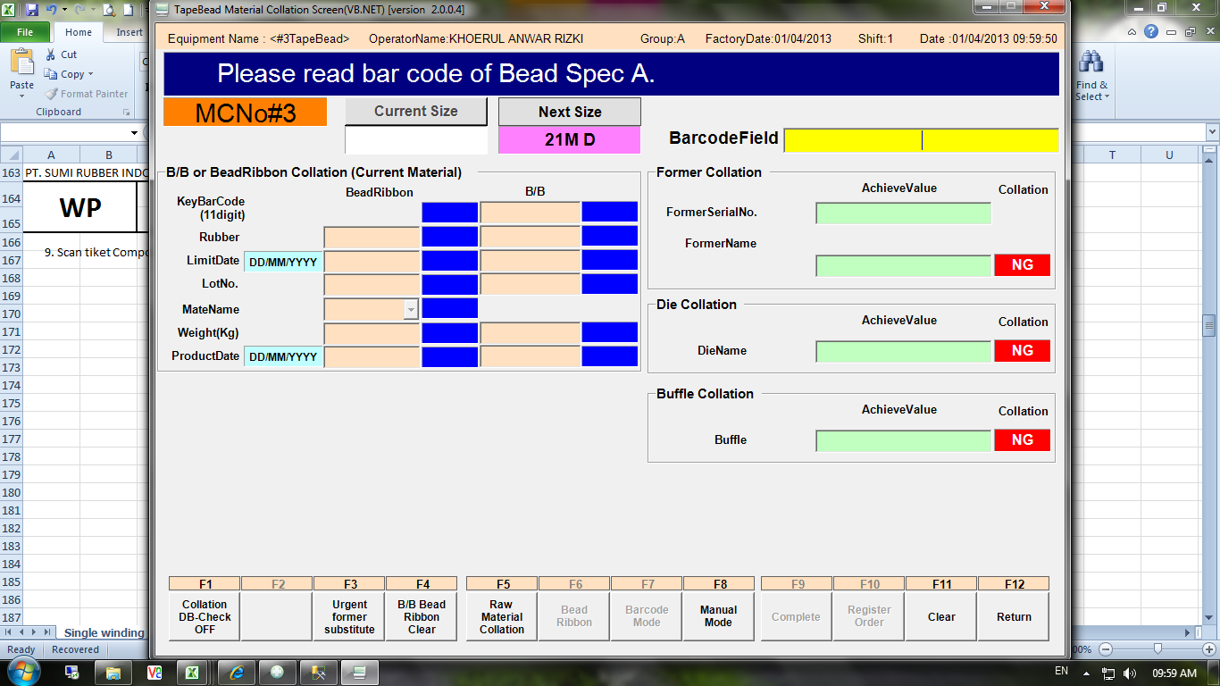

Tampilan Raw Material Colation

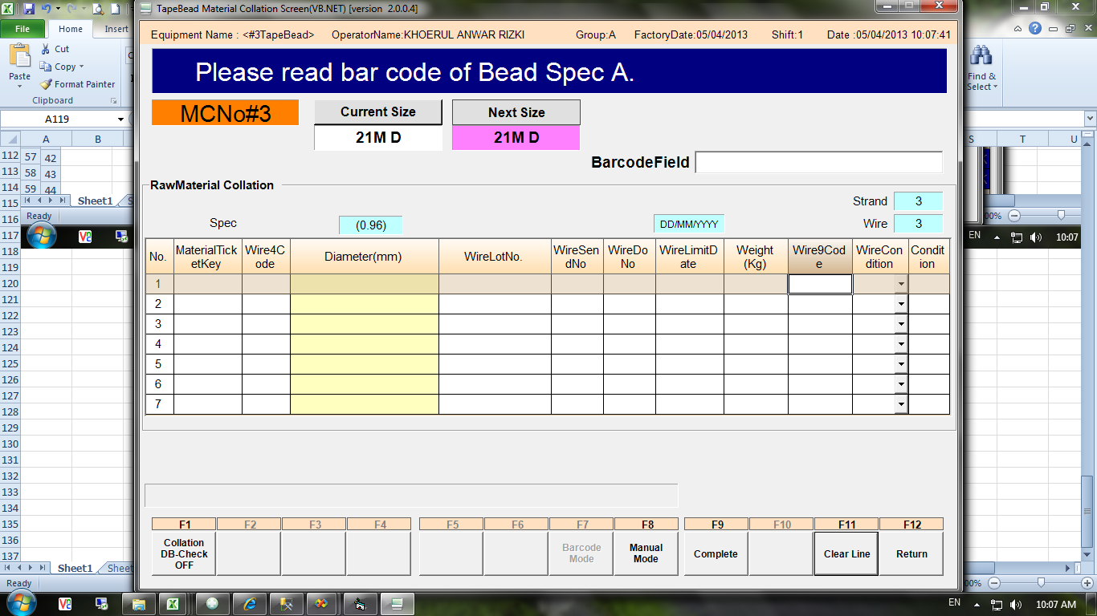

Spec Wire menandakan bahwa
size 21M D menggunakan
3 bead wire

Nomor mesin
Size 21M D berada di next size berarti size tersebut
baru mau diproduksi

Issued date | Approved by |  | Checked by | Prepared by | Page
 |  |  |  |  | 1/4

 | Sutrisno | Juhdi M. | Chandra W. | Khoerul Anwar R.

PT. SUMI RUBBER INDONESIA
WP | PROSEDUR SCAN BEAD WIRE TAPE WINDING |  |  |  | WE-829/00

Master Barcode

Master barcode untuk size
yang sedang berjalan
Master barcode untuk size
yang akan berjalan

Indikasi mesin nomor 3
Indikasi mesin nomor 3

Master barcoode
Winding 1
Master barcoode
Winding 1

Master barcoode
Winding 2
Master barcoode
Winding 2

Master barcoode
Winding 3
Master barcoode
Winding 3

Master barcoode
Winding 4
Master barcoode
Winding 4

Master barcoode
Winding 5
Master barcoode
Winding 5

Master barcoode
Winding 6
Master barcoode
Winding 6

Master barcoode
Winding 7
Master barcoode
Winding 7

Master barcode kondisi bead wire OK

Master barcode kondisi bead wire NG

Master barcode untuk mengakhiri scan bead wire

Issued date | Approved by |  | Checked by | Prepared by | Page
 |  |  |  |  | 2/4

 | Sutrisno | Juhdi M. | Chandra W. | Khoerul Anwar R.

PT. SUMI RUBBER INDONESIA
WP | PROSEDUR SCAN BEAD WIRE TAPE WINDING |  |  |  | WE-829/00

2. Scan Ticket bead wire Winding 1, langkah langkahnya sebagai berikut:
a. Lihat posisi size code di current size atau next size (misal di next size), scan master barcode next size
winding 1

b. Scan tiket bead wire

c. Cek kondisi bead wire, scan master barcode OK jika kondisinya OK, atau scan NG jika kondisinya NG
bead wire NG tidak bisa digunkan, scan bead wire lain yang kondisinya OK

Issued date | Approved by |  | Checked by | Prepared by | Page
 |  |  |  |  | 3/4

 | Sutrisno | Juhdi M. | Chandra W. | Khoerul Anwar R.

PT. SUMI RUBBER INDONESIA
WP | PROSEDUR SCAN BEAD WIRE TAPE WINDING |  |  |  | WE-829/00

d. Scan master End untuk mengakhiri proses scan bead wire

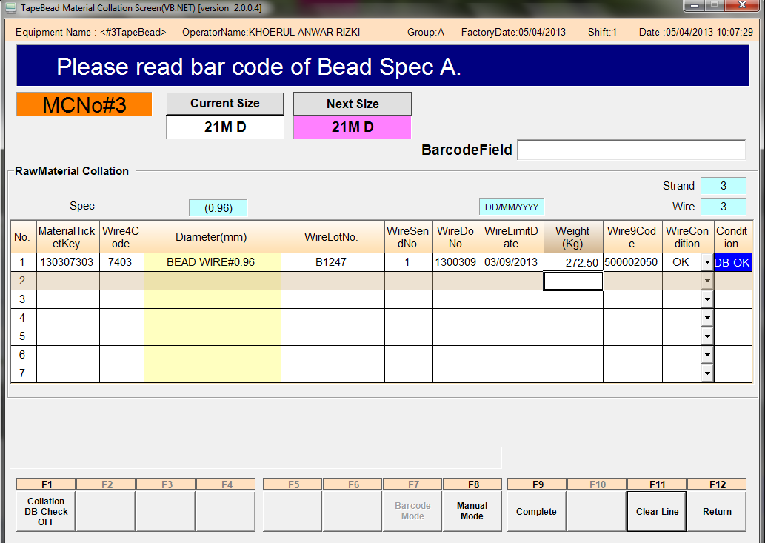

Setelah tiket bead wire winding 1 di scan
, maka pada program akan tampil hasil scannya

3. Scan tiket bead wire winding 2 dan winding 3 , langkah-langkahnya sama dengan scan tiket bead wire winding 1

4. Setelah semua bead wire discan, klik [F9] Complete

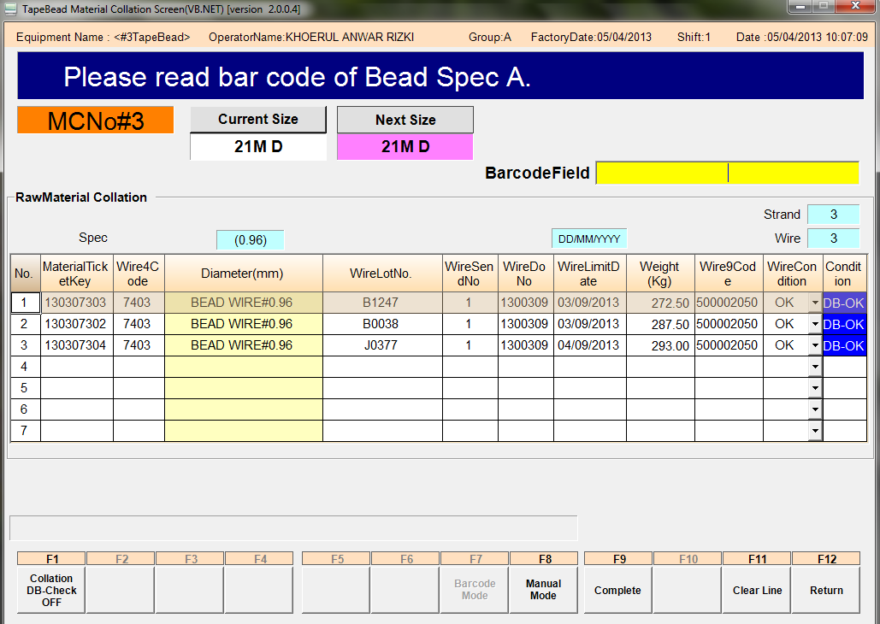

Issued date | Approved by |  | Checked by | Prepared by | Page
 |  |  |  |  | 4/4

 | Sutrisno | Juhdi M. | Chandra W. | Khoerul Anwar R.

